rendering 1
Rendering 1

Matrices

Create a cube grid.
Support scaling, positioning, and rotating.
Work with transformation matrices.
Create simple camera projections.

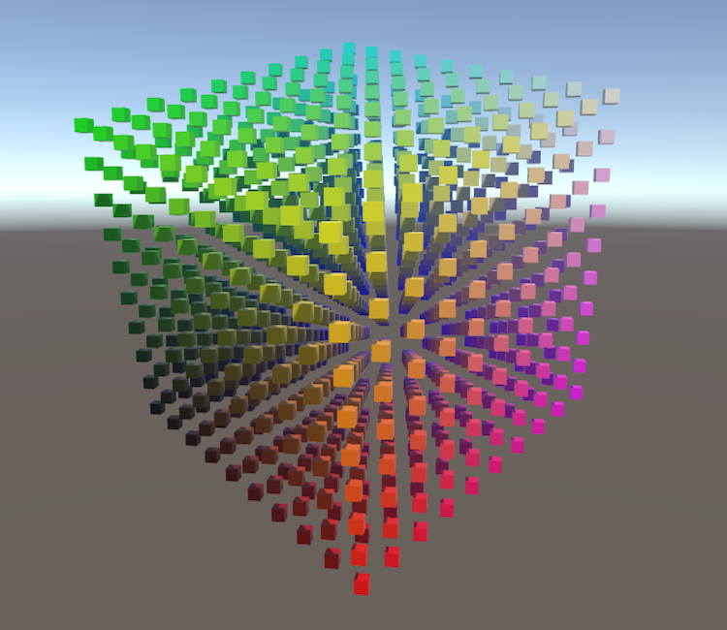
Manipulating points in space.

Visualizing Space

Transformations
 | Translation
 | Scaling
 | Rotation

Full Rotations
 | Matrices
 | 3D Rotation Matrices
 | Rotation Matrices for X and Y
 | Unified Rotation Matrix

Matrix Transformations
 | Homogeneous Coordinates
 | Using Matrices
 |  | public abstract Matrix4x4 Matrix { get; }
 |  | return Matrix.MultiplyPoint(point); | Multiply Matrix to a point
 |  | public override Matrix4x4 Matrix {
 |  | get {
 |  | Matrix4x4 matrix = new Matrix4x4();
 |  | matrix.SetRow(0, new Vector4(1f, 0f, 0f, position.x)); | Set row add a row to a matrix
 |  | matrix.SetRow(1, new Vector4(0f, 1f, 0f, position.y)); | It's particularly usefull as we can image the matrix as if it was simply written on the paper
 |  | matrix.SetRow(2, new Vector4(0f, 0f, 1f, position.z));
 |  | matrix.SetRow(3, new Vector4(0f, 0f, 0f, 1f));
 |  | return matrix;
 |  | }
 |  | }
 |  | matrix.SetColumn(0, new Vector4( | set column add a column to a matrix
 |  | cosY * cosZ,
 |  | cosX * sinZ + sinX * sinY * cosZ,
 |  | sinX * sinZ - cosX * sinY * cosZ,
 |  | 0f
 |  | ));

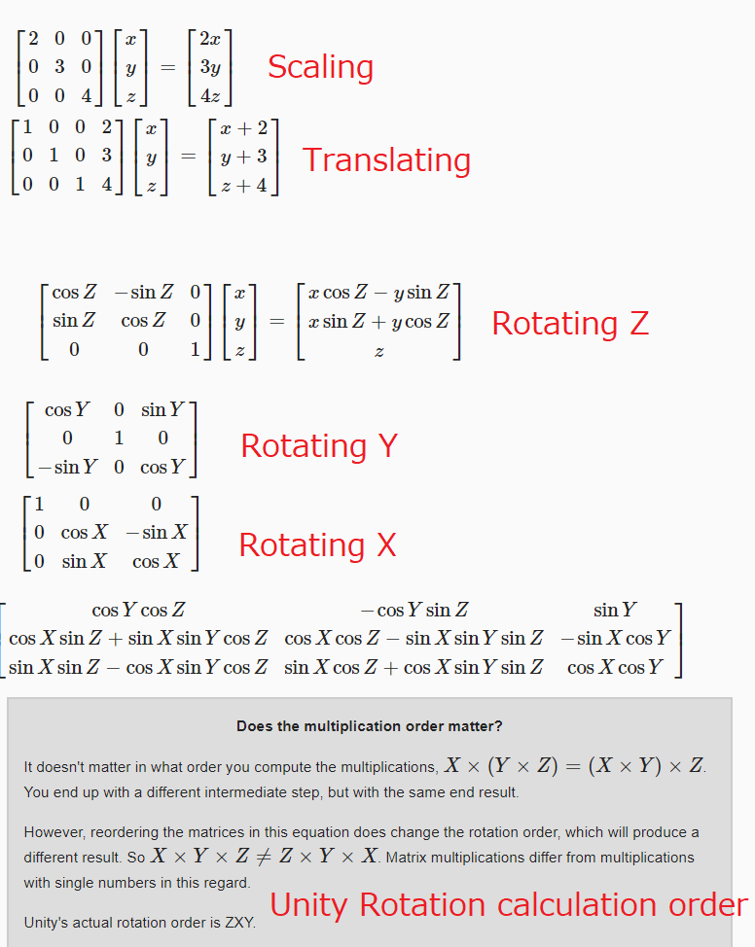

 |  |  | Vector3 xAxis = new Vector3(
 |  |  | cosY * cosZ,
 |  |  | cosX * sinZ + sinX * sinY * cosZ,
 |  |  | sinX * sinZ - cosX * sinY * cosZ
 |  |  | );
 |  |  | Vector3 yAxis = new Vector3(
 |  |  | -cosY * sinZ,
 |  |  | cosX * cosZ - sinX * sinY * sinZ,
 |  |  | sinX * cosZ + cosX * sinY * sinZ
 |  |  | );
i |  |  | Vector3 zAxis = new Vector3(
 |  |  | sinY,
 |  |  | -sinX * cosY,
 |  |  | cosX * cosY
 |  |  | );

 | Combining Matrices
 | Projection Matrices
 | Orthographic Camera
 | Perspective Camera

Rendering 2
Rendering 2

Shader Fundamentals

Transform vertices.
Color pixels.
Use shader properties.
Pass data from vertices to fragments.
Inspect compiled shader code.
Sample a texture, with tiling and offset.
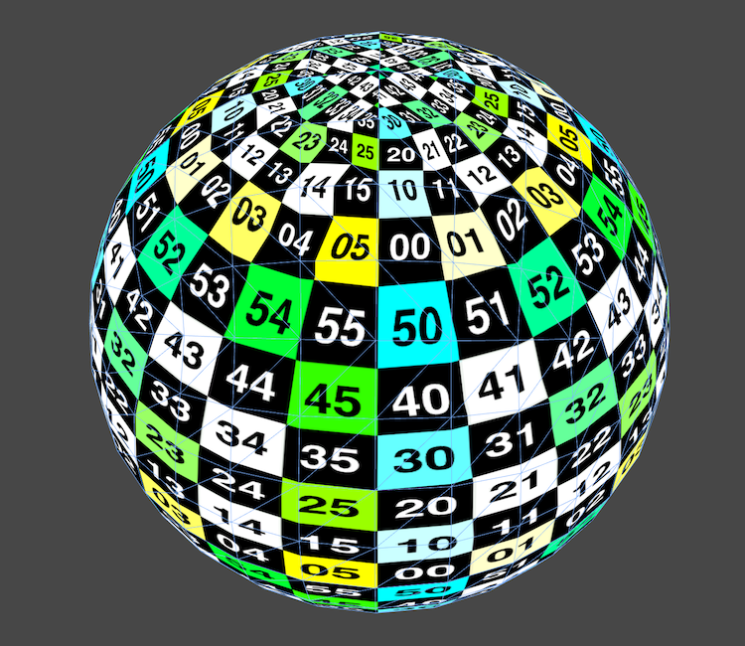
Texturing a sphere.

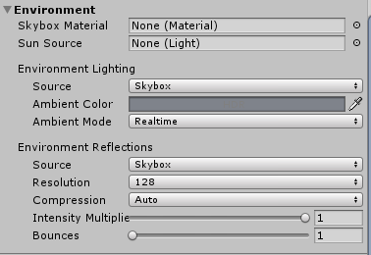
Default Scene
 | Stripping It Down
 |  |  |  |  |  |  |  |  | Define a skybox to be use in back ground
 |  |  |  |  |  |  |  |  | Delete it make the bg blue

From Object to Image
 |  | GPU will always calculate the presence of an object by calculating it's bouncing box
 |  | Bouncing box is the the smallest box in which the mesh would fit.
 | Your First Shader
 |  | Shader "Custom/My First Shader" {
 |  |  | The name of the shader is important. It will define in which place you could find it in unity Menu
 |  | }
 |  |  |  |  | In that case it appears that the sphere is magenta
 |  |  |  |  | => This is because it could not be rendered. If any Pixel could not be calculated. It means that it could not be rendered or there might have any error while calculating it

 |  | Shader "Custom/My First Shader" {

 |  | SubShader { |  |  |  |  | This is a way to define a part of a shader (needed when splitting behaviors)

 |  | Pass { |  |  |  |  | Here we write the GPU Program ( CG/HLSL )

 |  | }
 |  | }
 |  | } |  |  |  | Writing only this part of the code make the shader using the default
 |  |  |  |  |  | vertex/fragment function => all in White

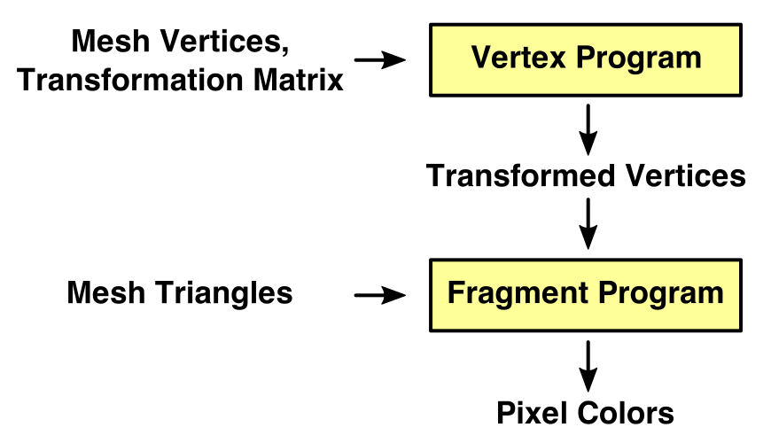
 | Shader Programs
 |  |  |  |  |  |  | Here We define the position of the vertex and transmit them to the fragment function

 |  |  |  |  |  |  | Here We calculate for each pixels a float4 rgba to be drawn

 | #pragma vertex MyVertexProgram
 | #pragma fragment MyFragmentProgram
 | To create those two steps we need to define functions.
 | To do so, first, define with the help of #pragma key word to define the name of the functions that will be used in the program.
 | Then type the action that will be used
 | Then give it a name

 | void MyVertexProgram () {

 | } |  |  |  |  | Then you can create functions like this
 | void MyFragmentProgram () {

 | }

 | Shader Compilation
 | To check what is going inside of the program, you have to click on your shader and click on Compile and show code
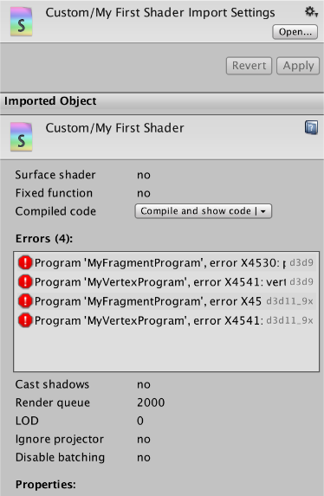

 |  |  |  |  | Clicking compile and show code create the file executed in the GPU

 |  |  |  |  | You can look here if there are any error for any compiler.

 | The goal here is to be sure that no compiler gives error for the actual shader.

 | Including Other Files
 | #include "UnityCG.cginc" |  |  |  | To import a Unity library

 | Producing Output
 | float4 MyVertexProgram () { |  |  |  |  |  | float4 MyVertexProgram () : SV_POSITION {
 | return 0; |  |  |  |  |  | return 0;
 | } |  |  |  |  |  | }
 | When defining a variable we need to give a format and the object of it. Else Program wont run
 | float4 MyFragmentProgram () { |  |  |  |  |  | float4 MyFragmentProgram () : SV_TARGET {
 | return 0; |  |  |  |  |  | return 0;
 | } |  |  |  |  |  | }

 | Transforming Vertices
 | float4 MyVertexProgram (float4 position : POSITION) : SV_POSITION {
 | return UnityObjectToClipPos(position);
 | } |  |  | This code produce a simple sphere on center in yellow

 | float4 MyFragmentProgram (float4 position : SV_POSITION) : SV_TARGET {
 | return float4(1, 1, 0, 1);
 | }

Coloring Pixels
 | Shader Properties
 | Properties {
 | _MyColor ("Some Color", Color) = (1,1,1,1)
 | _MyVector ("Some Vector", Vector) = (0,0,0,0)
 | _MyFloat ("My float", Float) = 0.5 |  |  |  |  |  |  | In Properties you can define variable that are editable from unity editor
 | _MyTexture ("Texture", 2D) = "white" {}
 | _MyCubemap ("Cubemap", CUBE) = "" {}
 | }

 | Accessing Properties
 | fixed4 _MyColor; // low precision type is usually enough for colors
 | float4 _MyVector;
 | float _MyFloat; |  |  |  |  |  |  |  |  | Those needs to be defined in Pass {}
 | sampler2D _MyTexture;
 | samplerCUBE _MyCubemap;

 | For Exemple |  | Properties {
 |  |  | _Tint ("Tint", Color) = (1, 1, 1, 1)
 |  |  | }

 | float4 position : POSITION, |  |  |  | This is the actual object position

 | Using Structures
 | struct Interpolators { |  |  |  |  | To define structure use the folowing
 | float4 position : SV_POSITION; |  |  |  |  | This is the same as C# coding
 | float3 localPosition : TEXCOORD0; |  |  |  |  | But you need to define not only the type but the object of the variable.
 | };
 | POSITION |  | Define the actual current position of the object
 | NORMAL |  | Define the normals of the object
 | TEXCOORD0..N |  | This is used to define coordinates Not only for texture coordonate
 | SV_POSITION |  | System value Position
 | SV_TARGET |  | System Value Target ( where should pixel be drawn )
 | Giving a value to those 'object' parameters, give access in all program to the the value attribuated
 | Tweaking Colors

Texturing
 | Using UV Coordinates
 | UV Coordonate corresponds to the mapping from 2D image to 3D object
 | struct Interpolators {
 | float4 position : SV_POSITION;
 | float2 uv : TEXCOORD0;
 | //float3 localPosition : TEXCOORD0;
 | };
 | struct VertexData {
 | float4 position : POSITION;
 | float2 uv : TEXCOORD0;
 | };
 | Interpolators MyVertexProgram (VertedData v) {
 | Interpolators i;
 | // i.localPosition = v.position.xyz;
 | i.position = mul(UNITY_MATRIX_MVP, v.position);
 | i.uv = v.uv;
 | return i;
 | }
 | float4 MyFragmentProgram (Interpolators i) : SV_TARGET {
 | return float4(i.uv, 1, 1);
 | }



 |  |  |  |  |  |  |  | "+BLUE=1"

 | Sampling the texture with the UV coordinates is done in the fragment program, by using the tex2D function.

 | float 4 => tex2D(_MainTex, i.uv);

 | Adding a Texture

 | _MainTex ("Texture", 2D) = "white" {} |  |  |  |  |  | Define texture in properties to get access to it in Unity Editor
 | sampler2D _MainTex; |  |  |  |  |  | Define it using sampler 2D in Pass to get access to in CGProgra,

 | Tiling and Offset
 | i.uv = TRANSFORM_TEX(v.uv, _MainTex); |  |  |  |  |  | Use TRANSFORM_TEX to make tiles/offset active
Texture Settings
 | Mipmaps and Filtering
 | Mipmaps levels are different image precision to define an image when drawing it.
 | The more it is far away the more mipmap precision is low

 | Original |  |  |  |  |  | Mip 5
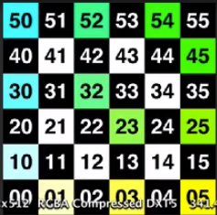
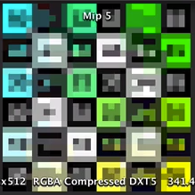

 | this has 2 advantages
 | 1 | The image will be more natural for far displayed objects
 | 2 | It takes less time to be written and calculated by the GPU which means more performance
 | However, it needs a lil more memory has we need to store all the mipmap levels in it

 | Sample
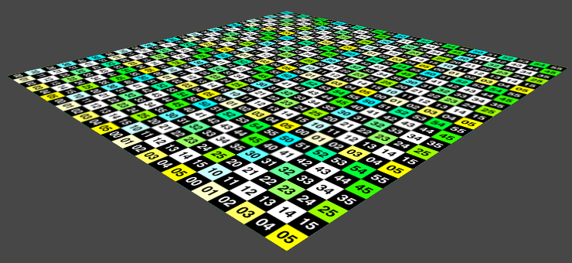
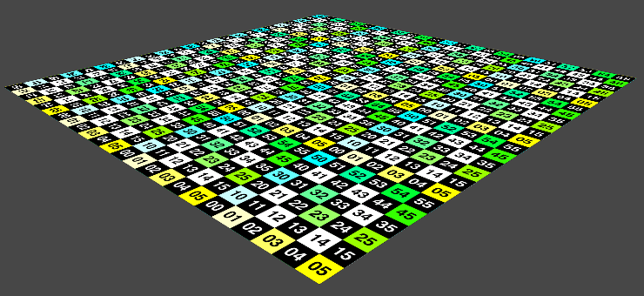

 | Below you can find also some information about anisotropic levels which currently didn't understand fully

Rendering 3
Rendering 3

Combining Textures

Sample multiple textures.
Apply a detail texture.
Deal with colors in linear space.
Use a splat map.
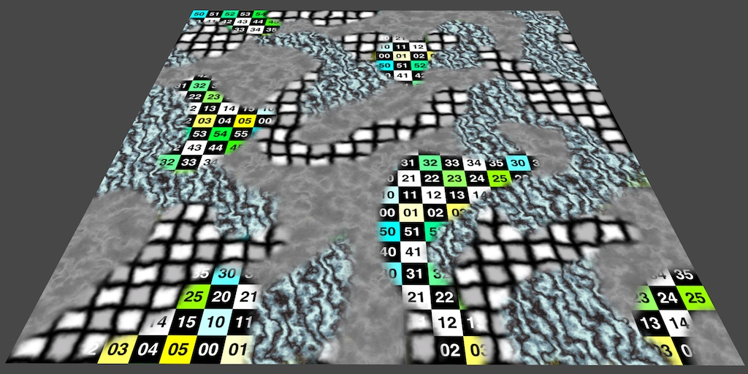
Combining multiple textures.

Detail Textures
 | Multiple Texture Samples
 | float4 color = tex2D(_MainTex, i.uv) * _Tint;
 | color *= tex2D(_MainTex, i.uv); |  | This is a way to multiply texture together

 | Separate Detail Texture
 | Using Two UV Pairs
 | Fading Details
 | Using Fadeout Mip Maps we are able to fade a texture depending on the distance to the camera.
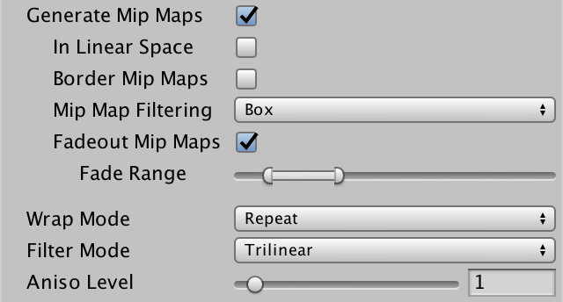
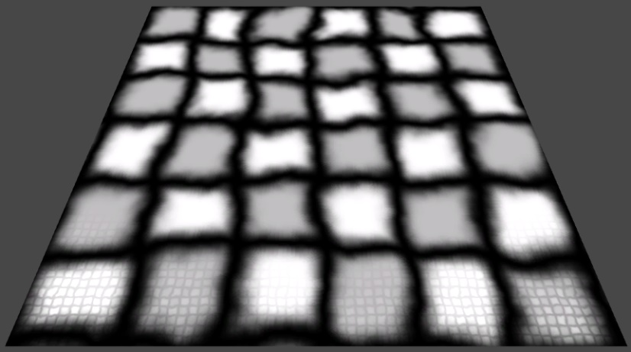

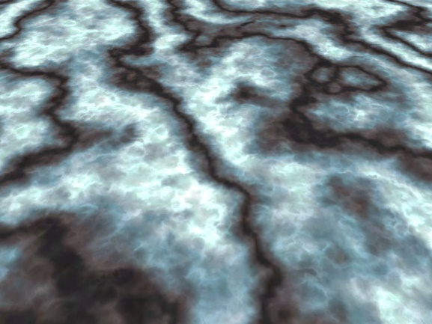
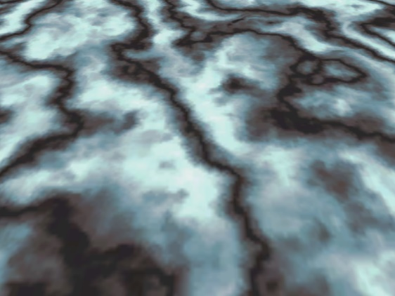

 | Separate texture in 2 sub texture is a common technique to give detail to a picture without having big IMAGES

 | Linear Color Space
 | While Gamma space correct the colors to get a normally lighted scene, linear light space give colors as it has been firstly calculated.
 | It means more natural lighting but we have to care about the intensity of lighting in our shader

 |  | advantage | disadvantage
 | Gamma | Auto corrected light. No need to think about it | not natural lightening
 | Linear | More natural lightening | No auto corrected light

 | Gamma space refers to gamma-corrected colors. Gamma correction is an adjustment of the intensity of light. The simplest approach is to raise the original value to some power, so valuegamma. A gamma of 1 means that there is no change. A gamma of 2 means that the original value is squared.

 | This conversion was originally introduced to accommodate the nonlinear nature of CRT display monitors. An added benefit is that it also roughly corresponds to how sensitive our eyes are to different light intensities. We notice differences between dark colors more than differences between bright colors. So it makes sense to dedicate more bits of a digital number to darker values than to lighter ones. Exponentiation allows us to do this, by stretching lower values over a larger range, while squashing higher values.

 | The most widely used image color format is sRGB. It uses a more complex formula than simple exponentiation, but it stores colors with an average gamma of 1/2.2. This is a reasonable approximation in many cases. To convert this data back to its original color, apply a gamma correction of 2.2.

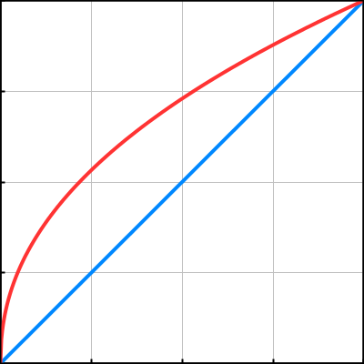
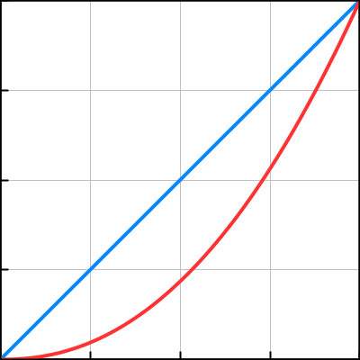

 |  | Encoding with gamma 1/2.2 and decoding with gamma 2.2.

 | This is how to correct manually the linear lighting
 | color *= tex2D(_DetailTex, i.uvDetail) * unity_ColorSpaceDouble;
Texture Splatting
 | Adding Textures
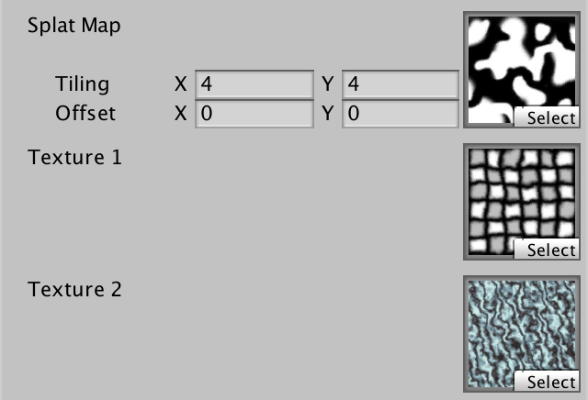
 | Properties {
 | _MainTex ("Splat Map", 2D) = "white" {}
 | [NoScaleOffset] _Texture1 ("Texture 1", 2D) = "white" {}
 | [NoScaleOffset] _Texture2 ("Texture 2", 2D) = "white" {}
 | }
 | Using [NoScaleOffset] hide tile and offset parameter in Unity editor
 | Using the Splat Map
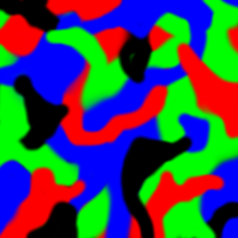

 | Splat map
 | Multiplying a splat map to other texture is a good way to create texture zone
 | return | tex2D(_Texture1, i.uv) * splat.r + |  | red
 |  | tex2D(_Texture2, i.uv) * splat.g + |  | green
 |  | tex2D(_Texture3, i.uv) * splat.b + |  | blue
 |  | tex2D(_Texture4, i.uv) * (1 - splat.r - splat.g - splat.b); |  | Black
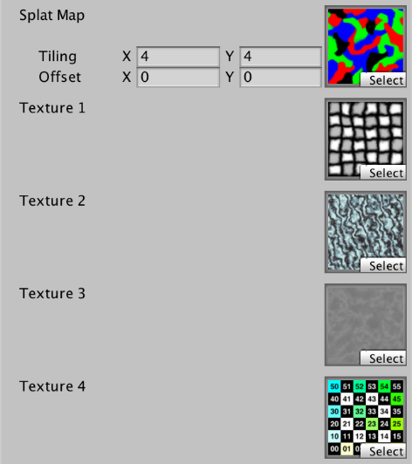
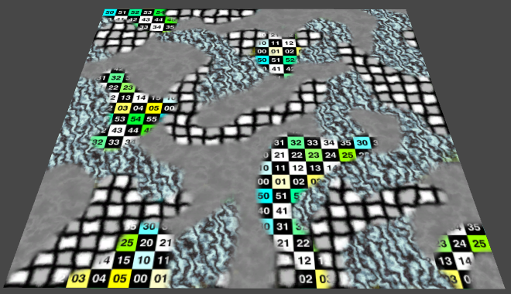

 | RGB Splat Map

Rendering4
Rendering 4

The First Light

Transform normals from object to world space.
Work with a directional light.
Compute diffuse and specular reflections.
Enforce energy conservation.
Use a metallic workflow.
Take advantage of Unity's PBS algorithms.
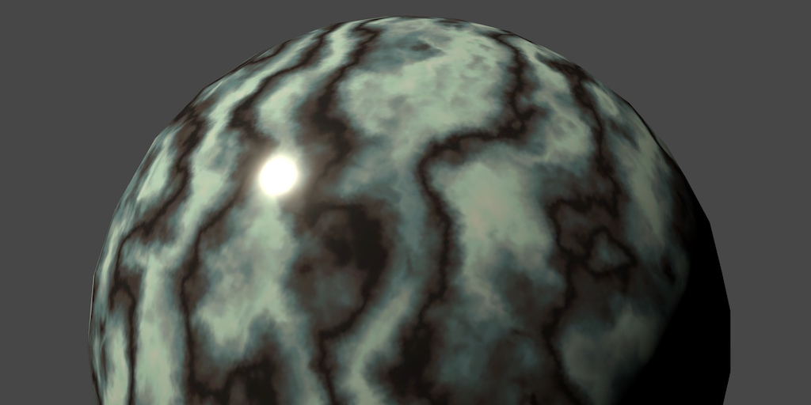
It is time to shine a light on things.

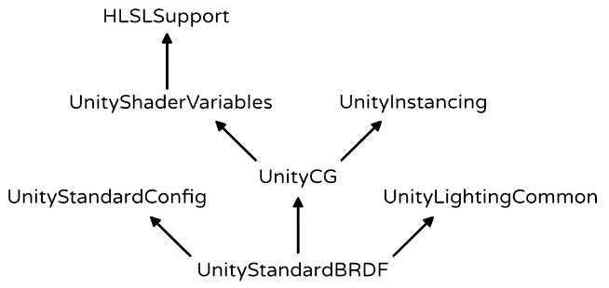

Normals
 | Using Mesh Normals
 | Dynamic Batching
 | Normals in World Space
 | Renormalizing
Diffuse Shading
 | Clamped Lighting

 |  | #include "UnityStandardBRDF.cginc" |  | Importing Unity Standard BRDF give us access to DotClamped function
 |  | struct VertexData {
 |  | float4 position : POSITION;
 |  | float3 normal : NORMAL; | give an orientation equal to the following
 |  | float2 uv : TEXCOORD0; | x orientated => (1,0,0) |  | red
 |  | }; | y orientated => (0,1,0) |  | green
 |  | struct Interpolators { | z orientated => (0,0,1) |  | blue
 |  | float4 position : SV_POSITION;
 |  | float2 uv : TEXCOORD0;
 |  | float3 normal : TEXCOORD1;
 |  | };
 |  | Interpolators MyVertexProgram (VertexData v) {
 |  | Interpolators i;
 |  | i.uv = TRANSFORM_TEX(v.uv, _MainTex);
 |  | i.position = mul(UNITY_MATRIX_MVP, v.position);
 |  | i.normal = v.normal;
 |  | return i;
 |  | }
 |  | float4 MyFragmentProgram (Interpolators i) : SV_TARGET {
 |  | return DotClamped(float3(0, 1, 0), i.normal); |  | DotClamped function fait un produit scalaire de deux vecteurs.
 |  | } |  | si < 0 => 0

 |  |  |  | si > 1 => 1
 |  | Le produit scalaire retourne un float => ca renvoit la meme valeur pour r, g, b, a
 |  | Le rgb et donc tranformer en une intensite de blanc => noir et blanc
 |  | Dans le cas ci-dessus, on scalaire (0,1,0) avec les normal.

X
 |  | float3(0, 1, 0) normals

 |  | Par exemple pour un objet enriente en haut <=> y oriented normal <=> n = (0,1,0) on aura :
 |  | f(0,1,0) * n(0,1,0) = 1
 |  | "=> return 1; <=> return float4(1,1,1,1);
 |  | L'object oriente en y sera donc 100% blanc
 |  | On peut en conclure que f(0,1,0) simule L'eclairage en -Y
 |  | <=> La lumiere est donc inversee

 | Light Source
 |  | Instead of a hard-coded light direction, let's use the direction of the light that's in our scene.

 |  | float3 lightDir = _WorldSpaceLightPos0.xyz; | _WorldSpaceLightPos0 contains the position of the current light. Or the direction that the light rays are coming from, in case of a directional light.
 |  | return DotClamped(lightDir, i.normal);

 | Light Mode
 |  | Tags {
 |  | "LightMode" = "ForwardBase"
 |  | }

 | Forward vs deferred

 | Forward | Forward is cheap cost for little mesh such as squares but get bigger cost when it needs to work with rounded object. Per pixel light calculation needs a lot of draw calls
 | deferred | This is where deferred comes in. It's a big help for complex 3D rounded object in pixel calculation.
 |  | How does it works? It get a few more information about the objects 3d depth and put it in cash so
 |  | it can be directly calculated without more draw calls and ends up with cheap cost even for round sphere in pixel drawing mode.
 | Light Color | Just give a color to the light, get it through _LightColor0 and multiply it to the result
 |  | float3 lightColor = _LightColor0.rgb;
 |  | float3 diffuse = lightColor * DotClamped(lightDir, i.normal);
 |  | return float4(diffuse, 1);

 |  | Note: Light color/intensity/orientation/type is internally picked by Unity.
 |  | Actually Unity gets only the main Light information.
 |  | We will learn about how to deal with these informations in Rendering 5
 | Albedo
 |  | Most materials absorb part of the electromagnetic spectrum. This gives them their color. For example, if all visible red frequencies are absorbed, what escapes will appear cyan.
 |  | Albedo is the most correct word to use when we are working with lights

Specular Shading
Reflecting Light
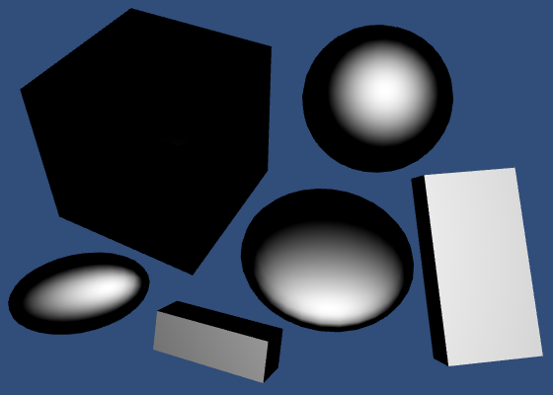

 |  | To define a reflection light we need to know:
 |  | - where the light will reflect <=> the person position who is looking at the object <=> in Unity it correspond to the camera position
 |  | - the direction from the surface to the viewer. <=> (the camera position - the pixel position ) => vector

 |  | struct Interpolators {
 |  | float4 position : SV_POSITION;
 |  | float2 uv : TEXCOORD0;
 |  | float3 normal : TEXCOORD1;
 |  | float3 worldPos : TEXCOORD2;
 |  | };
 |  | Interpolators MyVertexProgram (VertexData v) {
 |  | Interpolators i;
 |  | i.position = mul(UNITY_MATRIX_MVP, v.position);
 |  | i.worldPos = mul(unity_ObjectToWorld, v.position); | i.worldPos => position d'un pixel dans le world positino
 |  | i.normal = UnityObjectToWorldNormal(v.normal);
 |  | i.uv = TRANSFORM_TEX(v.uv, _MainTex);
 |  | return i;
 |  | }
 |  | float4 MyFragmentProgram (Interpolators i) : SV_TARGET {
 |  | i.normal = normalize(i.normal);
 |  | float3 lightDir = _WorldSpaceLightPos0.xyz;
 |  | float3 viewDir = normalize(_WorldSpaceCameraPos - i.worldPos); | WorldSpaceCameraPos => Camera position in world position
 |  | float3 lightColor = _LightColor0.rgb;
 |  | float3 albedo = tex2D(_MainTex, i.uv).rgb * _Tint.rgb;
 |  | float3 diffuse = albedo * lightColor * DotClamped(lightDir, i.normal);
 |  | return float4(diffuse, 1);
 |  | }

 |  | float4 MyFragmentProgram (Interpolators i) : SV_TARGET {
 |  | i.normal = normalize(i.normal);
 |  | float3 lightDir = _WorldSpaceLightPos0.xyz;
 |  | float3 viewDir = normalize(_WorldSpaceCameraPos - i.worldPos);
 |  | float3 lightColor = _LightColor0.rgb;
 |  | float3 albedo = tex2D(_MainTex, i.uv).rgb * _Tint.rgb;
 |  | float3 diffuse = albedo * lightColor * DotClamped(lightDir, i.normal);
 |  | float3 reflectionDir = reflect(-lightDir, i.normal);
 |  | return DotClamped(viewDir, reflectionDir);
 |  | }
 |  | C'est compliquer a expliquer donc si on veut s'en rappeler autant chercher sur le web
 |  | Pour information : reflect =>
 |  | float3 reflect( float3 i, float3 n )
 |  | {
 |  | return i - 2.0 * n * dot(n,i);
 |  | }
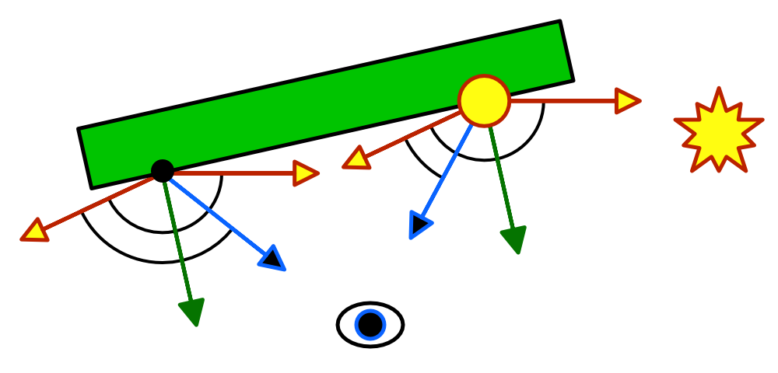

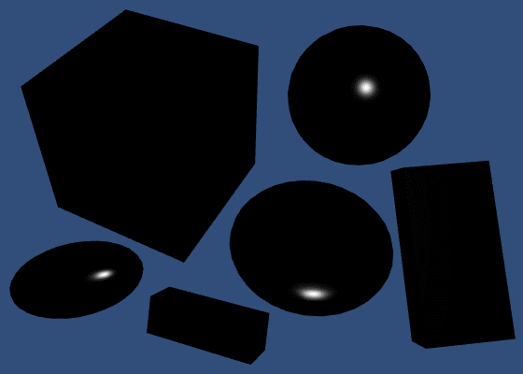
Smoothness
 | Smoothness is a term to define the 'focus' of a reflected specular light



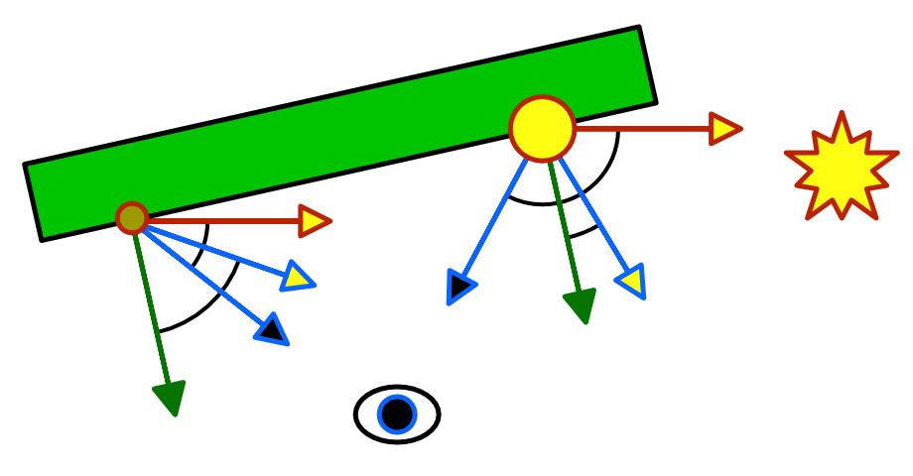
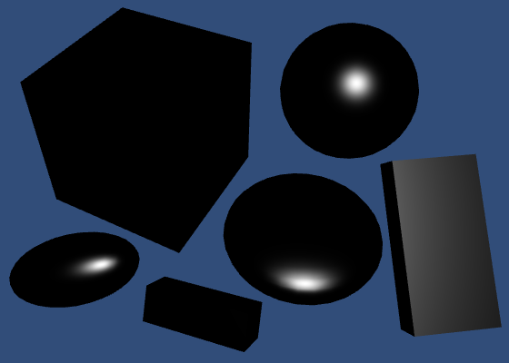
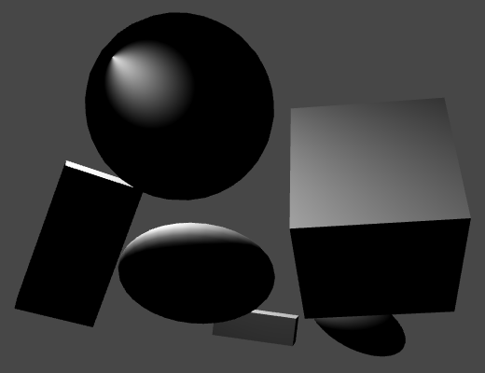
Blinn-Phong
Blinn-Phong specular.

 | An other technique used for light is Blinn Phong
 | //float3 reflectionDir = reflect(-lightDir, i.normal);
 | float3 halfVector = normalize(lightDir + viewDir);

 | return pow(DotClamped(halfVector, i.normal),_Smoothness * 100);

 | Specular Color
 | Diffuse and Specular
 |  | When defining a light you have to use both diffuse and specular light to have a correct representation of the light.
 |  | However, adding lights means having a intensity between 0..2 and not 0..1
 |  | Which means a not natural light set to the object
 | Energy Conservation
 |  | albedo *= 1 - _SpecularTint.rgb;
 | Monochrome
 |  | albedo *= 1 -max(_SpecularTint.r, max(_SpecularTint.g, _SpecularTint.b)); | dealing with colored specular light
 | Utility Function
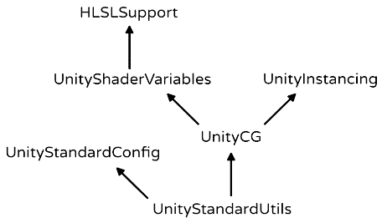
 |  | The following library give access to new utility functions
 |  | #include "UnityStandardUtils.cginc"
 |  | Instead of calculate it manually you can use the following prebuilded function :
 |  | float oneMinusReflectivity;
 |  | albedo = EnergyConservationBetweenDiffuseAndSpecular(albedo, _SpecularTint.rgb, oneMinusReflectivity);
 | Metallic Workflow
 | Metallic is a new term which define the proportion between diffuse and specular lights.
 | [Gamma] _Metallic ("Metallic", Range(0, 1)) = 0
 | Using Gamma ask unity to deal with metallic slider and add gamma correction to it

Physically-Based Shading
 |  | Until now we create our own light system. Using gamma to metallic corrects the way they are displayed for any display mode (linear/gamma)
 |  | However, the light is not perfect, we could not clearly see the difference between metallics and non metallics specular reflection light.
 |  | To correct this problem. We need to access to a prebuild system created by Unity which gives us a much more natural light.
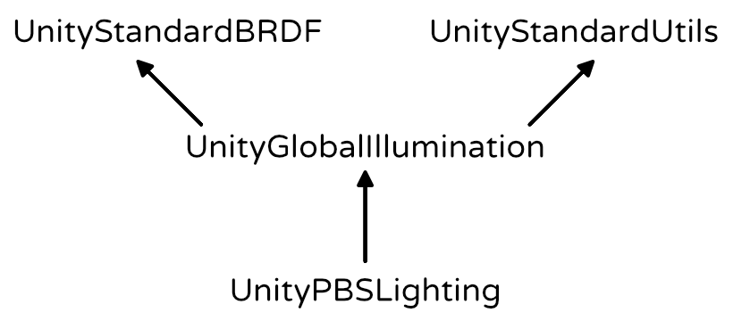
 |  | To do so, first import the PBSLighting Library
 |  | // #include "UnityStandardBRDF.cginc"
 |  | // #include "UnityStandardUtils.cginc"
 |  | #include "UnityPBSLighting.cginc"

 |  | Then add
 |  | #pragma target 3.0
 |  | Using the above line tells unity what calculation mode should be used to render the pixels.
 |  | Please have a look on the following link for more informations
 |  | https://docs.unity3d.com/Manual/SL-ShaderCompileTargets.html

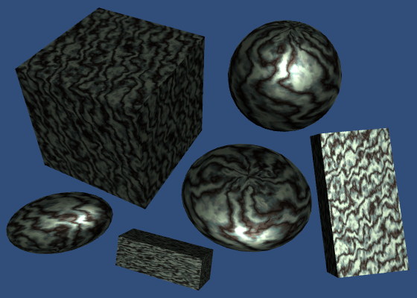
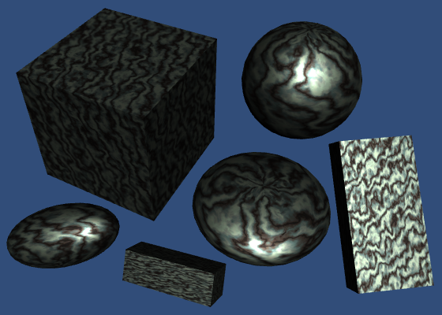
Light Structures
 |  | float4 MyFragmentProgram (Interpolators i) : SV_TARGET {
 |  | i.normal = normalize(i.normal);
 |  | float3 lightDir = _WorldSpaceLightPos0.xyz;
 |  | float3 viewDir = normalize(_WorldSpaceCameraPos - i.worldPos);

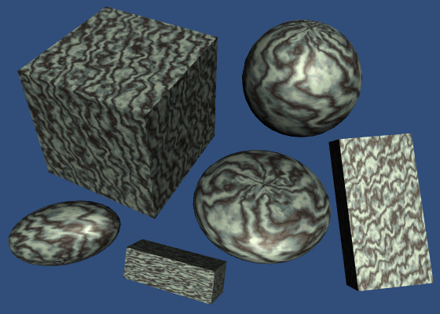
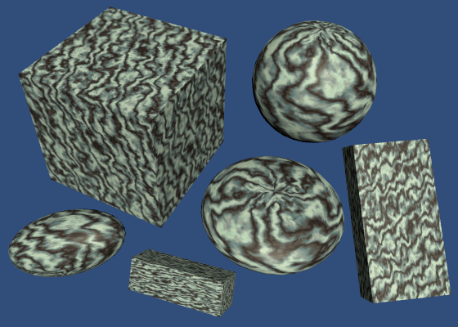
 |  | float3 lightColor = _LightColor0.rgb;
 |  | float3 albedo = tex2D(_MainTex, i.uv).rgb * _Tint.rgb;

 |  | float3 specularTint;
 |  | float oneMinusReflectivity;
 |  | albedo = DiffuseAndSpecularFromMetallic(albedo, _Metallic, specularTint, oneMinusReflectivity);
 |  | // float3 diffuse =albedo * lightColor * DotClamped(lightDir, i.normal);
 |  | // float3 halfVector = normalize(lightDir + viewDir);
 |  | // float3 specular = specularTint * lightColor * pow(DotClamped(halfVector, i.normal),_Smoothness * 100);
 |  | // return float4(diffuse + specular, 1);
 |  | UnityLight light;
 |  | light.color = lightColor; |  |  |  | Using the following system leads us to a nice lightening system,
 |  | light.dir = lightDir;
 |  | light.ndotl = DotClamped(i.normal, lightDir);
 |  | UnityIndirect indirectLight;
 |  | indirectLight.diffuse = 0;
 |  | indirectLight.specular = 0;
 |  | return UNITY_BRDF_PBS(albedo, specularTint,oneMinusReflectivity, _Smoothness,i.normal, viewDir,light, indirectLight);
 |  | }

Rendering 5
Rendering 5

Multiple Lights

Render multiple lights per object.
Support different light types.
Use light cookies.
Compute vertex lights.
Include spherical harmonics.

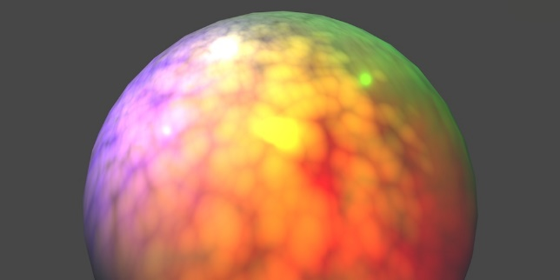

Include Files
 |  | Pour faire un include de file, suffit de prendre la partie en dessous des #pragma dans le CGProgram
 |  | Ce code recupere, l'enregistrer dans un fichier dans le meme dossier avec pour extension .cginc
 |  | Ensuite dans le shader il suffit d'ecrire la ligne de code suivant a la place de l'ensemble du code :
 |  | #include "My Lighting.cginc"
 | Preventing Redefinitions
 |  | Il faut Neanmoins eviter les doubles imports. Au quel cas le code plante.
 |  | Pour eviter ce genre de probleme, on peut utiliser le code suivant
 |  | #if !defined(MY_LIGHTING_INCLUDED) | On definit MY_LIGHTING_INCLUDED comme l'id du fichier
 |  | #define MY_LIGHTING_INCLUDED
 |  | …
 |  | //Code source du fichier original
 |  | …
 |  | #endif

The Second Light
 | A Second Pass
 |  | Pour definir plusieurs lumiere en meme 1 pass ne suffit pas.
 |  | Pass {
 |  | Tags {
 |  | "LightMode" = "ForwardAdd" |  | LightMode en ForwardAdd => est appele pour tout lumiere secondaire
 |  | }
 |  | Blend One One |  | Permet de definir la technique de calcule de somme des lumiere
 |  | ZWrite Off |  | Zwrite Off permet a unity de ne pas enregistrer la depth d'un objet ( coordonne en Z ) dans le buffer
 |  | CGPROGRAM |  | ce qui est inutile parce que deja enregistre dans buffer lors du premier Pass (main pass)

 |  | #pragma target 3.0

 |  | #pragma vertex MyVertexProgram
 |  | #pragma fragment MyFragmentProgram

 |  | #include "My Lighting.cginc" |  | On peut voir qu'on include 2 fois le fichier My Lighting.cginc.
 |  |  |  | C'est pour ca que c'etait necessaire de faire le "preventing from redefinition.
 |  | ENDCG
 |  | }

 | Draw Call Batches
 |  | 3 cubes 3 spheres
 |  | avec le dynamic batch => les 3 cubes sont regroupes en 1
 |  | En regardant les stats dans la Scene on peut avoir acces au Batch et Saved by batching

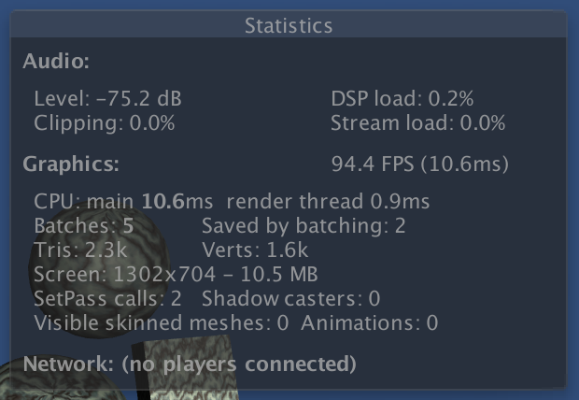

 |  | Les batchs sont les Draws Calls.
 |  | Pour chaque lumiere chaque objet appelle un draw call.
 |  | avec 20 object et 6 light => 120 calls Les performances peuvent en prendre un coup. Il faut donc bien faire attention au batching et trouver des solutions pour que les perfomances soient ameliorees
 |  | On peut voir que le total de batchs est different du nombre d'objet. Cela est du a la creation d'ombres qui fait appel a 1 draw call.

 |  | Pour 2 lumiere on obtient le resultat suivant
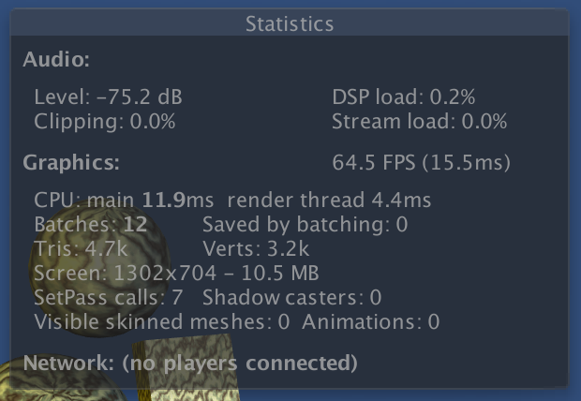

 |  | Resultat nombre de batch multiplie par 2. Mais attention plus de Saved by batching
 |  | Le dynamic batching fonctionne uniquement pour les singeled lighted objects

 | Frame Debugger
Point Lights
 | Light Function
 | Light Position
 | Light Attenuation
 | Light Range
Mixing Lights
 | Shader Variants
 | Using Keywords
Spotlights
 | Spotlight Cookies
More Cookies
 | Cookies for Point Lights
Vertex Lights
 | One Vertex Light
 | Four Vertex Lights
Spherical Harmonics
 | Spherical Harmonics Bands
 | Using Spherical Harmonics
 | Skybox

